Table Type YCOL_SETTING_T
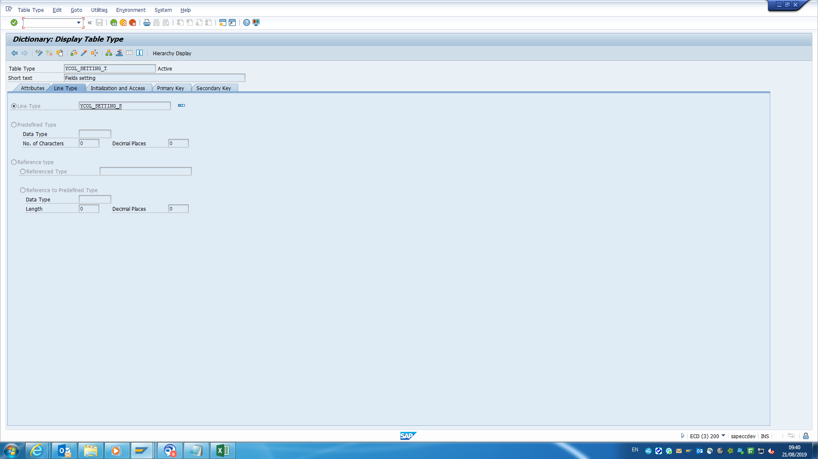
Table Type Name: Fields setting

